Request
V2023.02
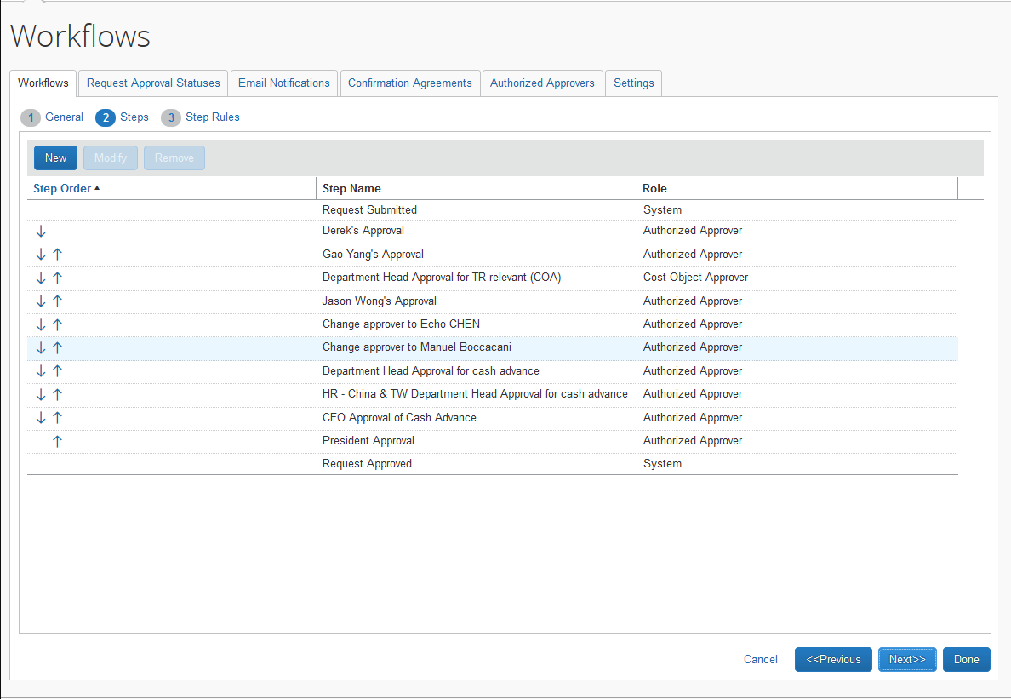

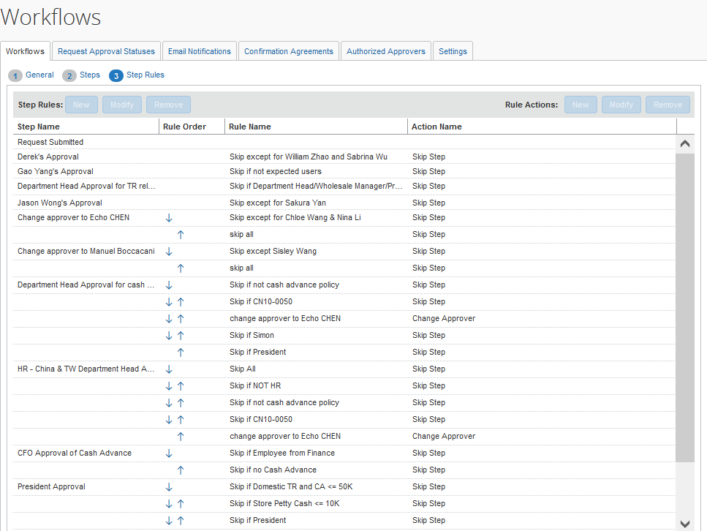

V2022.06

工作流程规则
工作流程名称 | 步骤名称 | 规则名称 | 强制评估 | 布尔连接符 | 左括号 | 比较数据对象 | 比较字段 | 运算符 | 比较器数据对象 | 比较器字段/值 | 货币 | 比较器运算符 | 比较器右侧操作数 | 右括号
** FENDI Request Workflow(18340185) | Request Submitted
 | Derek's Approval | Skip except for William Zhao and Sabrina Wu | Y |  |  | Employee | Logon ID | strne |  | william.zhao@fendi.com
 |  |  |  | AND |  | Employee | Logon ID | strne |  | sabrina.wu@fendi.com
 | Department Head Approval for TR relevant (COA) | Skip if Department Head/Wholesale Manager/President | Y |  |  | Employee | Custom 04 - Job Title | streq |  | 4737
 |  |  |  | OR |  | Employee | Custom 04 - Job Title | streq |  | 4739
 |  |  |  | OR |  | Employee | Custom 04 - Job Title | streq |  | 4736
 |  |  |  | OR |  | Request | Request Policy | eq |  | 8
 |  |  |  | OR |  | Employee | Logon ID | streq |  | william.zhao@fendi.com
 |  |  |  | OR |  | Employee | Logon ID | streq |  | sabrina.wu@fendi.com
 | Change approver to Echo CHEN | Skip except for Chloe Wang & Nina Li | Y |  |  | Employee | Employee ID | strne |  | chloe.wang@fendi.com
 |  |  |  | AND |  | Employee | Employee ID | strne |  | nina.li@fendi.com
 |  | skip all | Y |  |  | Employee | Employee ID | notempty
 | Change approver to Manuel Boccacani | Skip except Sisley Wang | Y |  |  | Employee | Logon ID | strne |  | sisley.wang@fendi.com
 |  | skip all | Y |  |  | Employee | Employee ID | notempty
 | Department Head Approval for cash advance | Skip if not cash advance policy | Y |  |  | Request | Request Policy | ne |  | 8
 |  |  |  | AND |  | Request | Request Policy | ne |  | 11
 |  | Skip if CN10-0050 | Y |  |  | Employee | * Org Unit 4 - Cost Center | streq |  | 4760
 |  |  |  | AND |  | Employee | Employee ID | strne |  | kiko.che@fendi.com
 |  | change approver to Echo CHEN | Y |  |  | Employee | Employee ID | streq |  | chloe.wang@fendi.com
 |  | Skip if Simon | Y |  |  | Employee | Employee ID | streq |  | simon.chen@fendi.com
 | HR - China & TW Department Head Approval for cash advance | Skip if not cash advance policy | Y |  |  | Request | Request Policy | ne |  | 8
 |  |  |  | AND |  | Request | Request Policy | ne |  | 11
 |  | Skip if CN10-0050 | Y |  |  | Employee | * Org Unit 4 - Cost Center | streq |  | 4760
 |  |  |  | AND |  | Employee | Employee ID | strne |  | kiko.che@fendi.com
 |  | change approver to Echo CHEN | Y |  |  | Employee | Employee ID | streq |  | chloe.wang@fendi.com
 |  | Skip if NOT HR | Y |  |  | Employee | * Org Unit 3 - Department | codestrne |  | 4830
 |  | Skip All | Y |  |  | Employee | Employee ID | notempty
 | CFO Approval of Cash Advance | Skip if Employee from Finance | Y |  |  | Request | * Custom 03 - Department | streq |  | 4691
 |  | Skip if no Cash Advance | Y |  |  | Request | Has Cash Advance | streq |  | N
 | President Approval | Skip if Domestic TR and CA <= 50K | Y |  |  | Employee | Custom 04 - Job Title | strne |  | 4737
 |  |  |  | AND | ( | Request | Request Policy | eq |  | 5
 |  |  |  | OR |  | Request | Request Policy | eq |  | 6
 |  |  |  | OR |  | Request | Request Policy | eq |  | 10
 |  |  |  | OR |  | Request | Request Policy | eq |  | 9 |  |  |  | )
 |  |  |  | AND |  | Request Cash Advance | Amount Requested | le |  | 50000 | CNY
 |  |  |  | AND |  | Request | Custom 05 - Travel Type | streq |  | 4746
 |  |  |  | AND |  | Request | Total Posted Amount | le |  | 50000 | CNY
 |  |  |  | AND | ( | Employee | Employee ID | strne |  | Nina.NIE@fendi.com
 |  |  |  | AND |  | Employee | Employee ID | strne |  | Suki.ZHENG@fendi.com
 |  |  |  | AND |  | Employee | Employee ID | strne |  | Leo.XIA@fendi.com
 |  |  |  | AND |  | Employee | Employee ID | strne |  | Cyril.TRAVAILLOU@fendi.com
 |  |  |  | AND |  | Employee | Employee ID | strne |  | Vicki.LI@fendi.com |  |  |  | )
 |  | Skip if Store Petty Cash <= 10K | Y |  |  | Request | Request Policy | eq |  | 8
 |  |  |  | AND |  | Request Cash Advance | Amount Requested | le |  | 10000 | CNY
 |  |  |  | AND |  | Employee | Employee Group | streq |  | 4751
 |  | Skip if President | Y |  |  | Employee | Custom 04 - Job Title | streq |  | 4736
 |  | Skip if Office Non Travel CA <= 50K | Y |  |  | Employee | Custom 04 - Job Title | strne |  | 4737
 |  |  |  | AND |  | Request | Request Policy | eq |  | 8
 |  |  |  | AND |  | Request Cash Advance | Amount Requested | le |  | 50000 | CNY
 |  |  |  | AND | ( | Employee | Employee Group | streq |  | 1308
 |  |  |  | OR |  | Employee | Employee Group | streq |  | 4729
 |  |  |  | OR |  | Employee | Employee Group | streq |  | 4730
 |  |  |  | OR |  | Employee | Employee Group | streq |  | 4876
 |  |  |  | OR |  | Employee | Employee Group | streq |  | 4878 |  |  |  | )
 |  |  |  | AND | ( | Employee | Employee ID | strne |  | Nina.NIE@fendi.com
 |  |  |  | AND |  | Employee | Employee ID | strne |  | Suki.ZHENG@fendi.com
 |  |  |  | AND |  | Employee | Employee ID | strne |  | Leo.XIA@fendi.com
 |  |  |  | AND |  | Employee | Employee ID | strne |  | Cyril.TRAVAILLOU@fendi.com
 |  |  |  | AND |  | Employee | Employee ID | strne |  | vicki.li@fendi.com |  |  |  | )
 |  | Skip if Store <= 50K | Y |  |  | Request | Request Policy | eq |  | 8
 |  |  |  | AND |  | Request Cash Advance | Amount Requested | le |  | 50000 | CNY
 |  |  |  | AND | ( | Employee | Employee Group | streq |  | 4731
 |  |  |  | OR |  | Employee | Employee Group | streq |  | 4877 |  |  |  | )
 |  | Skip if recurring + overseas | Y |  |  | Request | * Custom 06 - Recurring | streq |  | Y
 |  |  |  | AND |  | Request | Custom 05 - Travel Type | strne |  | 4746
 |  |  |  | AND | ( | Employee | Employee ID | strne |  | Yang.GAO@fendi.com
 |  |  |  | AND |  | Employee | Employee ID | strne |  | Jane.YAO@fendi.com
 |  |  |  | AND |  | Employee | Employee ID | strne |  | Suki.ZHENG@fendi.com
 |  |  |  | AND |  | Employee | Employee ID | strne |  | derek.su@fendi.com
 |  |  |  | AND |  | Employee | Employee ID | strne |  | Aaron.CHEN@fendi.com
 |  |  |  | AND |  | Employee | Employee ID | strne |  | Joan.ZHOU@fendi.com
 |  |  |  | AND |  | Employee | Employee ID | strne |  | Sulalia.Zhang@fendi.com
 |  |  |  | AND |  | Employee | Employee ID | strne |  | Liz.LI@fendi.com
 |  |  |  | AND |  | Employee | Employee ID | strne |  | Nina.NIE@fendi.com
 |  |  |  | AND |  | Employee | Employee ID | strne |  | Leo.XIA@fendi.com
 |  |  |  | AND |  | Employee | Employee ID | strne |  | Cyril.TRAVAILLOU@fendi.com
 |  |  |  | AND |  | Employee | Employee ID | strne |  | vicki.li@fendi.com
 |  |  |  | AND |  | Employee | Employee ID | strne |  | valentina.cremasco@fendi.com
 |  |  |  | AND |  | Employee | Employee ID | strne |  | samantha.chang@fendi.com |  |  |  | )
 | Request Approved

Expense
V2023.02

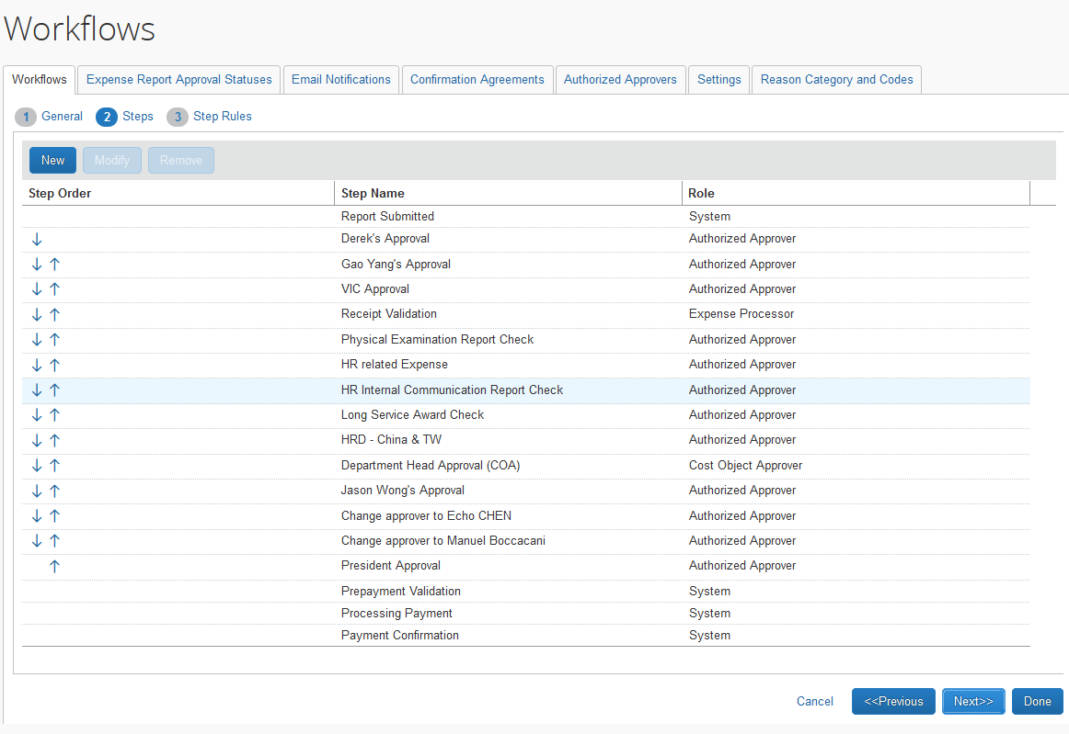

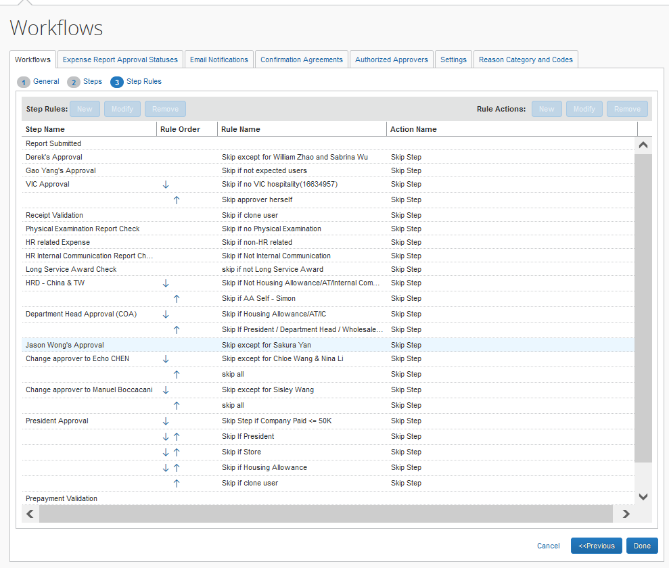

V2022.06

工作流程步骤
工作流程名称 | 步骤名称 | 角色 | 可以编辑审批者 | 可以删除 | 初始状态 | 审批操作
** 18286433 FENDI Shanghai Workflow v201903 budget | Report Submitted | 系统 | NONE | NONE | 未提交 | 已提交
 | Derek's Approval | 授权审批者 | NONE | NONE | 已提交并等待审批 | 审批
 |  |  |  |  |  | 退回给员工
 | HR related Expense | 授权审批者 | NONE | NONE | 已提交并等待审批 | 审批
 |  |  |  |  |  | 退回给员工
 | VIC Approval | 授权审批者 | NONE | NONE | 已提交并等待审批 | 审批
 |  |  |  |  |  | 退回给员工
 | Receipt Validation | 费用处理者 | NONE | NONE | 已提交并等待审批 | 审批
 |  |  |  |  |  | 退回给员工
 | HR Internal Communication Report Check | 授权审批者 | NONE | NONE | 已提交并等待审批 | 审批
 |  |  |  |  |  | 退回给员工
 | Physical Examination Report Check | 授权审批者 | NONE | NONE | 已提交并等待审批 | 审批
 |  |  |  |  |  | 退回给员工
 | Long Service Award Check | 授权审批者 | NONE | NONE | 已提交并等待审批 | 审批
 |  |  |  |  |  | 退回给员工
 | HRD - China & TW | 授权审批者 | NONE | NONE | 已提交并等待审批 | 审批
 |  |  |  |  |  | 退回给员工
 | Department Head Approval (COA) | 成本对象审批者 | NONE | NONE | 待批成本对象审批 | 审批
 |  |  |  |  |  | 退回给员工
 | Change approver to Echo CHEN | 授权审批者 | NONE | NONE | 已提交并等待审批 | 审批
 |  |  |  |  |  | 退回给员工
 | Change approver to Manuel Boccacani | 授权审批者 | NONE | NONE | 已提交并等待审批 | 审批
 |  |  |  |  |  | 退回给员工
 | President Approval | 授权审批者 | NONE | NONE | 已提交并等待审批 | 审批
 |  |  |  |  |  | 退回给员工
 | Prepayment Validation | 系统 | NONE | NONE | 等待验证 | 审批
 |  |  |  |  |  | 退回给员工
 | Processing Payment | 系统 | NONE | NONE | 处理付款 | 处理付款

